Sheet1
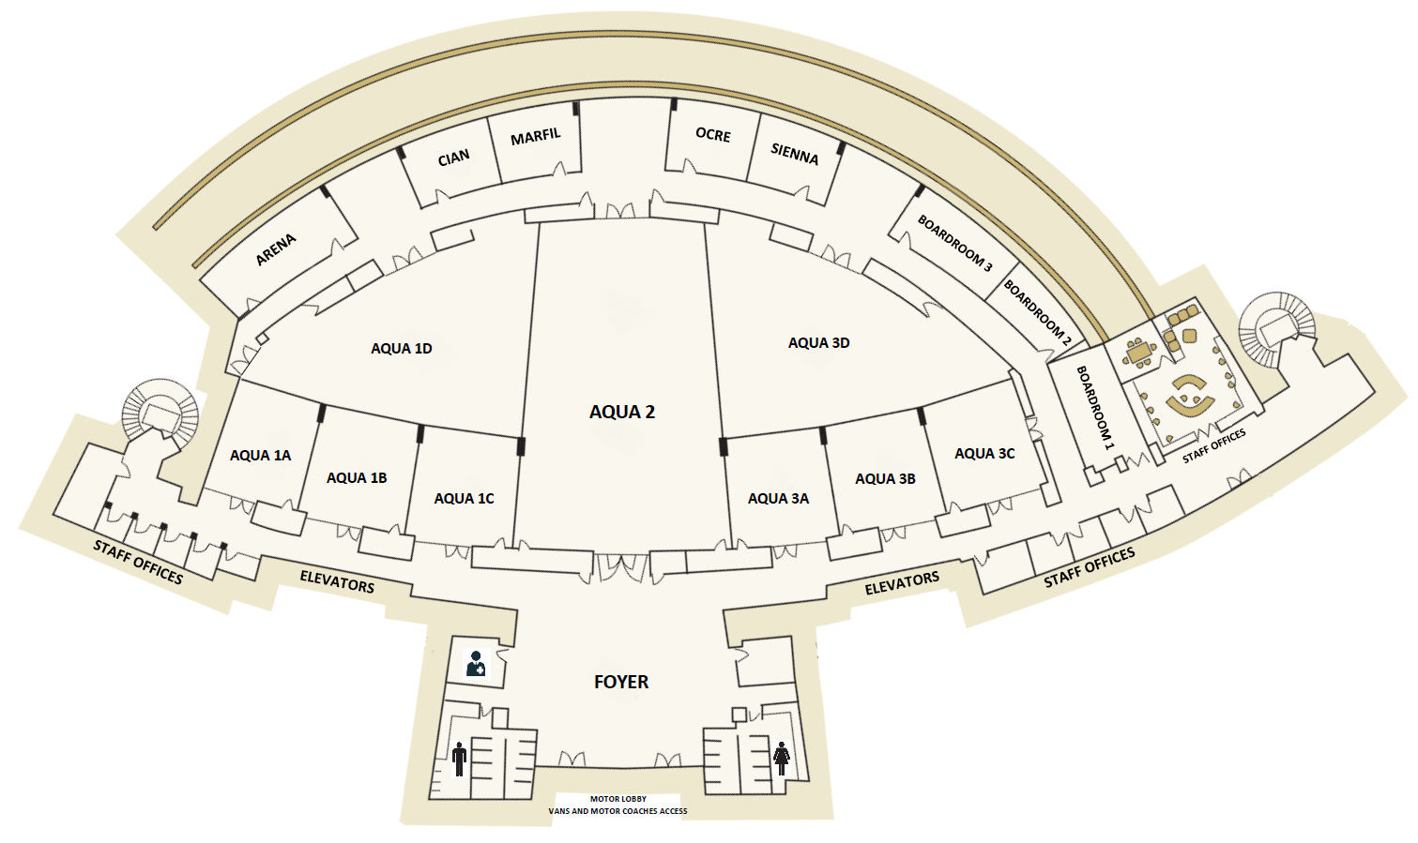
CONVENTION CENTER GRAND AQUA

 | Meeting Room | Ancho / Wide |  | Largo / Lenght |  | Area |  | Altura / Height |  | Auditorio / Theater | Banquete | Cocktail | Escuela / Classroom | "U"
 |  | mts | ft | mts | ft | mts2 | Sqft | mts | Sqft

 | AQUA Foyer | 17.42 | 57.15 | 17.90 | 58.92 | 311.82 | 3,356.40 | 3.29 | 10.79 | - | - | 200 | - | -
 | Gran AQUA | Media Luna / Half Moon Shape |  |  |  | 1,353.10 | 14,564.64 | 4 | 13.12 | 1,000 | 600 | 800 | 530 | 120
 | AQUA 1 | Media Luna / 1/4 Eliptic Shape |  |  |  | 469.05 | 5,048.81 | 4 | 13.12 | 320 | 190 | 335 | 190 | 40
 | Aqua 1A | 7.31 | 23.11 | 8.71 | 28.70 | 73 | 785.76 | 4 | 13.12 | 40 | 30 | 45 | 25 | 20
 | Aqua 1B | 7.41 | 24.4 | 8.73 | 28.64 | 76.9 | 827.74 | 4 | 13.12 | 40 | 30 | 45 | 25 | 20
 | Aqua 1C | 6.85 | 22.5 | 8.9 | 29.2 | 75 | 807.29 | 4 | 13.12 | 40 | 30 | 45 | 25 | 20
 | Aqua 1D | 1/4 Eliptic Shape / Media Luna |  |  |  | 244.15 | 2,628.00 | 4 | 13.12 | 200 | 120 | 200 | 120 | 40
 | AQUA 2 | 12.83 | 86.1 | 26.5 | 86.94 | 415 | 4,467.02 | 4 | 13.12 | 300 | 240 | 400 | 240 | 60
 | AQUA 3 | 1/4 Eliptic Shape / Media Luna |  |  |  | 469.05 | 5,048.81 | 4 | 13.12 | 320 | 190 | 335 | 190 | 40
 | Aqua 3A | 7.31 | 23.11 | 8.66 | 28.60 | 73.00 | 785.76 | 4 | 13.12 | 40 | 30 | 45 | 25 | 20
 | Aqua 3B | 7.41 | 24.40 | 8.69 | 28.51 | 75.00 | 807.29 | 4 | 13.12 | 40 | 30 | 45 | 25 | 20
 | Aqua 3C | 7.41 | 24.40 | 8.69 | 28.51 | 76.90 | 827.74 | 4 | 13.12 | 40 | 30 | 45 | 25 | 20
 | Aqua 3D | 1/4 Eliptic Shape / Media Luna |  |  |  | 244.15 | 2,628.00 | 4 | 13.12 | 200 | 120 | 200 | 120 | 40

 | Arena | 4.38 | 14.37 | 10.47 | 34.35 | 59.05 | 635.60 | 2.98 | 9.77 | 20 | 16 | 20 | 16 | 30
 | Cian | 6.03 | 19.78 | 5.16 | 16.92 | 36.66 | 394.60 | 2.98 | 9.77 | 15 | 8 | 15 | 8 | 15
 | Marfil | 5.29 | 17.40 | 5.93 | 19.50 | 36.90 | 397.18 | 2.98 | 9.77 | 15 | 8 | 15 | 8 | 15
 | Ocre | 5.22 | 17.10 | 5.75 | 18.10 | 34.05 | 366.51 | 2.98 | 9.77 | 15 | 8 | 15 | 8 | 15
 | Sienna | 5.18 | 16.99 | 5.86 | 19.20 | 34.34 | 369.63 | 2.98 | 9.77 | 15 | 8 | 15 | 8 | 15
 | Board room 1 | 4.57 | 15 | 9.18 | 30.10 | 43.76 | 471.02 | 2.98 | 9.77 | Boardroom for 16 / Imperial para 16
 | Board room 2 | 3.79 | 12.43 | 6.83 | 22.40 | 25.89 | 278.67 | 2.98 | 9.77 | Boardroom for 12 / Imperial para 12
 | Board room 3 | 4.76 | 15.61 | 9.35 | 30.67 | 44.51 | 479.10 | 2.98 | 9.77 | 20 | 20 | 40 | 20 | 16

